PRISMA Apr 2022
PRISMA DIAGRAMS: UNRESECTABLE AND/OR METASTATIC MELANOMA

CLIN PRISMA DIAGRAM
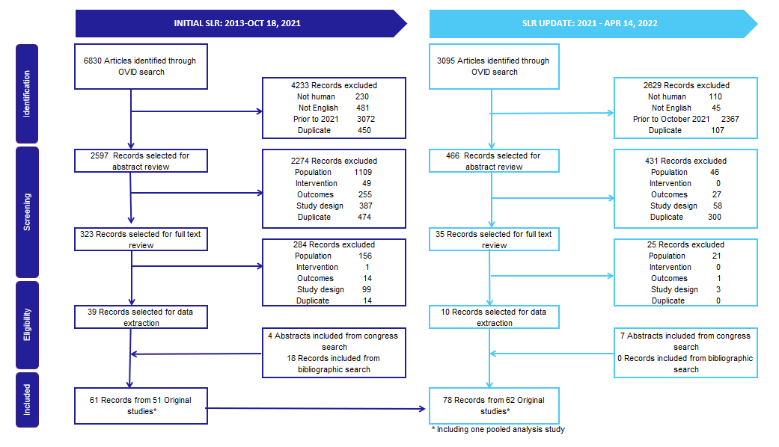
 |  | INITIAL SLR: 2013-OCT 18, 2021 | SLR UPDATE: 2021-APR 14, 2022
 | Articles identified through OVID search | 6830 | 3095
 | Records excluded | 4233 | 2629
 | Not human | 230 | 110
 | Not English | 481 | 45
 | Prior to 2013, 2021 | 3072 | 2367
 | Duplicate | 450 | 107
 | Records selected for abstract review | 2597 | 466
 | Records excluded | 2274 | 431
 | Population | 1109 | 46
 | Intervention | 49 | 0
 | Outcomes | 255 | 27
 | Study design | 387 | 58
 | Duplicate | 474 | 300
 | Records selected for full text review | 323 | 35
 | Records excluded | 284 | 25
 | Population | 156 | 21
 | Intervention | 1 | 0
 | Outcomes | 14 | 1
 | Study design | 99 | 3
 | Duplicate | 14 | 0
 | Records selected for data extraction | 39 | 10
 | Abstracts included from congress search | 4 | 7
 | Records included from bibliographic search | 18 | 0
 | Total records selected for data extraction | 61 | 17
 | Records from | 61 | 17
 | Original studies* | 51 | 11
 | Post-hoc / Subgroup analysis / Update | 10 | 6
 | Cumulative Total Records Selected | 61 | 78
 | Cumulative Total Original Studies Selected | 51 | 62
 | 1. If studies had mixed population, full data extraction will be done for studies with more than 50% of patients receiving prior anti-PD1 therapy or reporting outcomes among subgroup of patients receiving prior anti-PD1 therapy.
 | 2. If studies had mixed population, full data extraction will be done for studies with less than 50% of patients receiving prior anti-CTLA4 therapy or reporting outcomes among subgroup of patients receiving prior anti-CTLA4 therapy.

 | 3. If not, study information and main message will be extracted

 | * Including one pooled analysis study

QOL PRISMA DIAGRAM

 |  | INITIAL SLR: 2013-OCT 18, 2021 | SLR UPDATE: 2021-APR 14, 2022
 | Articles identified through OVID search | 2083 | 1049
 | Records excluded | 1277 | 889
 | Not human | 164 | 95
 | Not English | 75 | 10
 | Prior to 2013, 2021 | 851 | 743
 | Duplicate | 187 | 41
 | Records selected for abstract review | 806 | 160
 | Records excluded | 761 | 145
 | Population | 264 | 15
 | Intervention | 20 | 0
 | Outcomes | 260 | 26
 | Study design | 92 | 17
 | Duplicate | 125 | 87
 | Records selected for full text review | 45 | 15
 | Records excluded | 35 | 12
 | Population | 13 | 2
 | Intervention | 0 | 0
 | Outcomes | 13 | 9
 | Study design | 5 | 0
 | Duplicate | 4 | 1
 | Records selected for data extraction | 10 | 3
 | Abstracts included from congress search | 6 | 0
 | Records included from bibliographic search | 3 | 0
 | Total records selected for data extraction | 19 | 3
 | Records from | 19 | 3
 | Original studies | 19 | 3
 | Post-hoc / Subgroup analysis / Update | 0 | 0
 | Cumulative Total Records Selected | 19 | 22
 | Cumulative Total Original Studies Selected | 19 | 22
 | 1. If studies had mixed population receiving prior anti-PD1 therapy, studies were selected regardless of anti-PD1 subgroup
 | 2. If studies had mixed population with prior anti-PD1 therapy, etc., only studies reporting outcomes among anti-PD1 subgroup were included.

 | 3. Studies where over 50% of patients received prior anti-CTLA4 therapy were excluded.

ECON PRISMA DIAGRAM
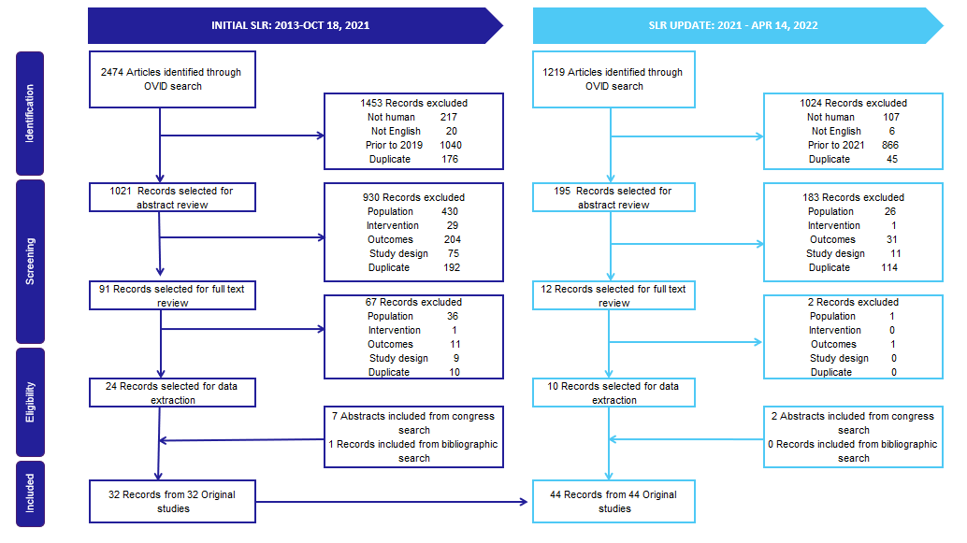
 |  | INITIAL SLR: 2013-OCT 18, 2021 | SLR UPDATE: 2021-APR 14, 2022
 | Articles identified through OVID search | 2474 | 1219
 | Records excluded | 1453 | 1024
 | Not human | 217 | 107
 | Not English | 20 | 6
 | Prior to 2013, 2021 | 1040 | 866
 | Duplicate | 176 | 45
 | Records selected for abstract review | 1021 | 195
 | Records excluded | 930 | 183
 | Population | 430 | 26
 | Intervention | 29 | 1
 | Outcomes | 204 | 31
 | Study design | 75 | 11
 | Duplicate | 192 | 114
 | Records selected for full text review | 91 | 12
 | Records excluded | 67 | 2
 | Population | 36 | 1
 | Intervention | 1 | 0
 | Outcomes | 11 | 1
 | Study design | 9 | 0
 | Duplicate | 10 | 0
 | Records selected for data extraction | 24 | 10
 | Abstracts included from congress search | 7 | 2
 | Records included from bibliographic search | 1 | 0
 | Total records selected for data extraction | 32 | 12
 | Records from | 32 | 12
 | Original studies | 32 | 12
 | Post-hoc / Subgroup analysis / Update | 0 | 0
 | Cumulative Total Records Selected | 32 | 44
 | Cumulative Total Original Studies Selected | 32 | 44
 | 1. If studies had mixed population receiving prior anti-PD1 therapy, studies were selected regardless of anti-PD1 subgroup
 | 2. If studies had mixed population with prior anti-PD1 therapy, etc., only studies reporting outcomes among anti-PD1 subgroup were included

 | 3. Studies where over 50% of patients received prior anti-CTLA4 therapy were excluded

